Plumbing Items
BAHJAT ENTERPRISES PLUMBING ITEMS LIST
S No. | Plumbing Items List |  | Photo | Category | Brands
3 | Check Valve ( NRV) | Non-Return Valve (NRV), One-Way Valve, Backflow Prevention Valve, A Check Valve (NRV – Non-Return Valve) is an automatic valve that allows fluid to flow in one direction only and prevents reverse flow. It operates without manual intervention, using the pressure of the flowing fluid to open the valve and automatically closing when the flow reverses, Body Material : Brass, Bronze, Cast Iron, Ductile Iron, Carbon Steel, PVC / CPVC (plastic piping systems), Stainless Steel (SS 304 / SS 316), Disc Material : Stainless Steel, Bronze, EPDM-Coated Disc (type dependent), Seat Material : Metal, EPDM, NBR, PTFE, Connection Type : Threaded (BSP/NPT), Flanged, Wafer, Socket Weld, Butt Weld, Size Range : 15 mm (½") to 1200 mm (48"), Pressure Rating : PN10, PN16, PN25, PN40 / Class 150, 300, 600, Types : Swing Check Valve, Lift Check Valve, Spring Check Valve, Dual Plate (Double Door) Check Valve, Wafer Check Valve, Ball Check Valve, Foot Valve (Check Valve with Strainer), Silent Check Valve, Tilting Disc Check Valve, | 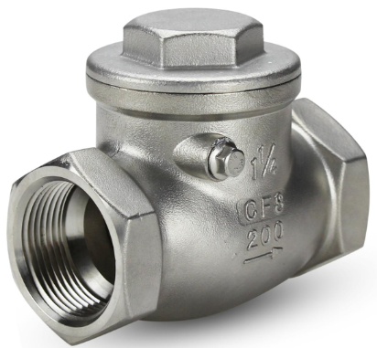 | Push Fit Fittings | Finolex Industries
4 | Foot Valve | Suction Foot Valve, NRV Foot Valve, Bottom Valve, A Foot Valve is a type of Non-Return Valve (NRV) installed at the suction end of a pump. It allows water to flow into the pump while preventing reverse flow when the pump stops. A built-in strainer blocks debris from entering the suction line, helping maintain pump prime and protect the pump, Body Material : Brass, Cast Iron, Ductile Iron, Stainless Steel (SS 304 / SS 316), PVC / uPVC, Strainer Material : Stainless Steel, Brass, PVC, Seat Material : NBR, EPDM, PTFE, Metal, Connection Type : BSP/NPT Threaded, Flanged, Size Range : 25 mm (1") to 300 mm (12"), Pressure Rating : PN10, PN16, PN25, Type : Brass Foot Valve, Cast Iron Foot Valve, Stainless Steel Foot Valve, PVC/uPVC Foot Valve, Flanged Foot Valve, Threaded Foot Valve, Spring-Loaded Foot Valve, Heavy-Duty Industrial Foot Valve, | 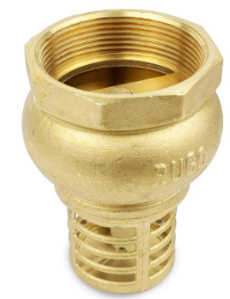 | Taps & Faucet | Prince Pipes and Fittings
5 | Float Valve | Float Ball Valve, Ballcock, Tank Filling Valve, A Float Valve is an automatic water-control valve used to maintain a predetermined water level in a tank, cistern, or reservoir. It operates using a float/ball mechanism that opens the valve when the water level falls and closes it when the desired level is reached, Material : Brass, Stainless Steel (SS 304 / SS 316), PVC / PP, ABS, Nylon, EPDM/NBR sealing components, Float Material : Plastic, Stainless Steel, Copper, Connection : BSP/NPT Threaded, Common Size : 15 mm (½"), 20 mm (¾"), 25 mm (1"), 32 mm (1¼"), 40 mm (1½"), 50 mm (2"), Pressure Rating : PN6, PN10, PN16 (model dependent), Type : Brass Float Valve, Stainless Steel Float Valve, Plastic Float Valve, Horizontal Float Valve, Vertical Float Valve, High-Pressure Float Valve, Heavy-Duty Float Valve, Pilot-Operated Float Valve, | 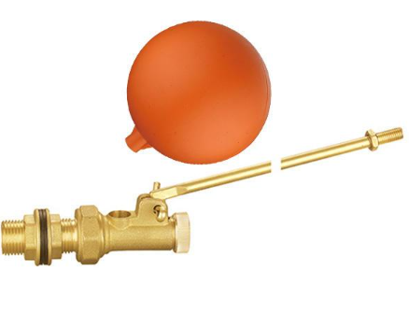 | Irrigation & Garden Plumbing | Ajay Pipes
6 | Concealed Flush Valve | Concealed WC Flush Valve, Concealed Cistern Valve, A Concealed Flush Valve is a flush-control valve installed inside a wall, concealed cistern, or plumbing enclosure. It controls the release of water to flush a toilet or urinal while keeping the plumbing components hidden for a clean and modern appearance, Body Material : Brass, ABS / Engineering Plastic, Stainless Steel, EPDM / Silicone sealing components, Connection Size : 15 mm (½"), 20 mm (¾"), 25 mm (1"), Operation : Push Button / Pneumatic / Electronic, Installation : Concealed Wall / Cistern, Type : Concealed Cistern Flush Valve, Pneumatic Flush Valve, Dual-Flush Valve, Single-Flush Valve, Electronic/Sensor Flush Valve, Concealed Urinal Flush Valve, | 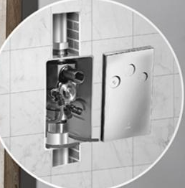 | Bathroom Accessories | Ori-Plast
9 | Geyser Safety Valve | Water Heater Safety Valve, Pressure Relief Valve, A Geyser Safety Valve is a safety/pressure relief valve installed on a water heater (geyser) to protect the tank from excessive pressure and, in some designs, excessive temperature. It automatically discharges water when the pressure exceeds the preset limit, Body Material : Brass / Nickel-Plated Brass, Connection : Threaded, Common Size : 15 mm (½") / 20 mm (¾"), Type : Pressure Relief Safety Valve, Temperature & Pressure (T&P) Relief Valve, Safety Valve with Non-Return Valve, Adjustable Safety Valve, High-Pressure Geyser Safety Valve, |  | Sanitary Items | Jain Irrigation Systems
10 | RO Storage Tank Valve | RO Tank Shut-Off Valve, RO Tank Ball Valve, An RO Storage Tank Valve is a small shut-off/control valve fitted to the outlet or inlet connection of a Reverse Osmosis (RO) water storage tank. It is used to control the flow of purified water between the RO tank and the drinking-water system, Body Material : Polypropylene (PP), Brass, Acetal/Engineering Plastic, Connection : ¼" / ⅜" Tube or Threaded Connection, Valve Type : Ball Valve / Shut-Off Valve, Type : ¼" RO Tank Valve, ⅜" RO Tank Valve, Plastic RO Tank Valve, Brass RO Tank Valve, Push-Fit RO Tank Valve, Threaded RO Tank Valve, | 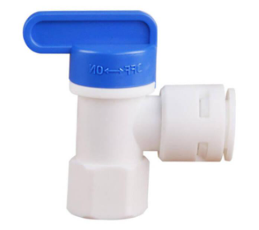 | Sink Accessories | Parryware
11 | RO Solenoid Valve | An RO Solenoid Valve is an electrically operated valve used in Reverse Osmosis (RO) water purification systems to automatically control the flow of water. It opens or closes when an electrical signal is supplied to its solenoid coil, Body Material : PP, ABS, Brass, Diaphragm : EPDM / NBR, Connection : ¼", ⅜" Tube / Threaded, Voltage : 12 VDC / 24 VDC (model dependent), Valve Position : Normally Closed (NC) / Normally Open (NO), Type : 12V DC RO Solenoid Valve, 24V DC RO Solenoid Valve, Normally Closed (NC), Normally Open (NO), Plastic Body RO Solenoid Valve, Brass Body RO Solenoid Valve, High-Pressure RO Solenoid Valve, |  | Drainage Items | Cera Sanitaryware
14 | Gunmetal Valve | A Gunmetal Valve is a valve manufactured with a gunmetal (bronze-based copper alloy) body, commonly used in water, steam, and general plumbing applications. Gunmetal provides good corrosion resistance, strength, and durability, especially for water service, Body Material : Gunmetal / Bronze, Connection : Threaded / Flanged, Size : 15 mm (½") to 150 mm (6"), Pressure Rating : PN10, PN16, PN25, Operation : Handwheel / Lever / Automatic, Seat Material : Gunmetal / PTFE / Rubber, Type : Gunmetal Gate Valve, Gunmetal Globe Valve, Gunmetal Check Valve (NRV), Gunmetal Foot Valve, Gunmetal Stop Valve, Gunmetal Ball Valve, | 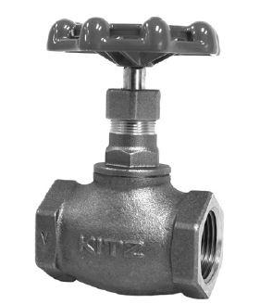 | Plumbing Repair Items | Somany Ceramics
18 | Automatic Hand Dryer | Automatic Hand Dryer – Wall-mounted, touch-free sensor-operated electric hand dryer with high-speed/warm air drying, suitable for commercial washroom applications, Operation : Automatic / sensor activated, Activation : Infrared sensor, Installation : Wall mounted, Body : ABS / SS, Air type : Warm air / high-speed air, |  | Copper & SS Plumbing | Marc Sanitation
19 | Automatic Soap Dispenser | An Automatic Soap Dispenser is a touch-free, sensor-operated dispenser that automatically releases a controlled amount of liquid soap or handwash when a hand is placed near the sensor, Operation : Automatic / touch-free, Activation : Infrared sensor, Soap type : Liquid soap / handwash / sanitizer, Capacity : 250 ml – 1.5 L, Body : ABS / SS, Mounting : Wall-mounted / countertop, Power : Battery / rechargeable, |  | Fastner & Support | Aqua Plumb
20 | Geyser Drain Valve | Water Heater Drain Valve, Drain Cock, A Geyser Drain Valve is a valve installed at the drain/outlet point of a geyser or water heater to safely drain stored water during maintenance, cleaning, replacement, or servicing, Body Material : Brass / Stainless Steel, Connection : Threaded, Common Size : 15 mm (½"), 20 mm (¾"), Operation : Lever / Screw / Quarter-Turn, Pressure Rating : Typically PN10–PN16, Type : Brass Geyser Drain Valve, Stainless Steel Drain Valve, Quarter-Turn Drain Valve, Drain Cock with Hose Connector, Ball-Type Drain Valve, | 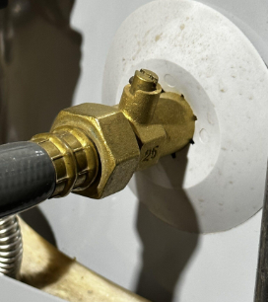 | Plumbing Tools | Grohe
21 | Soap Dispenser | A Soap Dispenser is a container designed to store and dispense liquid soap or handwash in a controlled quantity, Soap Dispenser – Wall-mounted/manual liquid soap dispenser with refillable container and push-button pump, suitable for washroom applications, Type : Manual / push-button, Soap type : Liquid soap / handwash, Capacity : 250 ml – 1.5 L, Material : ABS / SS / Plastic, Mounting : Wall-mounted / countertop, |  | Water Filteration | Hansgrohe
22 | Sensor Soap Dispensor | A Sensor Soap Dispenser is a touch-free, automatic dispenser that releases a measured quantity of liquid soap or handwash when it detects a hand near the infrared sensor, Sensor Soap Dispenser – Automatic touch-free infrared sensor-operated liquid soap dispenser with refillable container, suitable for commercial washroom applications, Operation : Automatic / touch-free, Sensor : Infrared, Soap type : Liquid soap / handwash, Capacity : 250 ml – 1.5 L, Material : ABS / Stainless Steel, |  | Brass & Gunmetal Fittings | Geberit
28 | Blind Flange | A PVC Blind Flange is a solid PVC flange used to close or temporarily isolate the end of a PVC pipeline, valve, tank, or equipment connection, PVC Blind Flange – Solid UPVC/PVC flange for closing and isolating PVC pipeline or equipment connections, complete with suitable bolt-hole pattern, size and pressure rating as specified, Material : PVC / UPVC / CPVC, Connection : Flanged / drilled bolt holes, Size : ½" to 12"+, Installation : Bolted with gasket, |  | Water Meter & Control | Delta Faucet
34 | Brass Extension Nipple | Brass Extension Nipple / Extension Piece, A Brass Extension is a threaded brass fitting used to extend the connection length between a wall outlet/pipe and a tap, valve, mixer, or other plumbing fitting, Material: Brass, GI, Connection: Male × Male threaded, Common sizes: ½", ¾", 1", Common lengths: 15 mm, 20 mm, 25 mm, 40 mm, 50 mm and more, |  | Sealing & Repair Materials | Uponor
36 | Utility Basin | Utility Basin (also called a utility sink, laundry basin, or service sink) is a deep, durable sink designed for cleaning tools, washing clothes, filling buckets, and other heavy-duty household or commercial tasks, Type : Freestanding utility basin, Wall-mounted utility basin, Cabinet utility basin, Single-bowl utility basin, Double-bowl utility basin, Materials : Stainless steel, Polypropylene, Ceramic, Fiberglass, Cast iron, Dimensions (L × W × D) : 450 × 450 × 250 mm, 600 × 500 × 300 mm, 750 × 600 × 350 mm, |  | Testing & Maintainance | NIBCO
37 | Basin Bottle Waste | A Basin Bottle Waste is the waste drain fitting installed in a wash basin that allows wastewater to flow into the bottle trap/drainage system. It is fitted through the basin's waste hole and normally includes a flange, sealing washer, and threaded body, Chrome-plated brass/SS basin waste fitting with flange, sealing washer and threaded connection, suitable for wash-basin drainage and bottle-trap connection, Function : Drains basin wastewater, Material : Brass / SS / PVC, Finish : Chrome plated / Polished, Size : Typically 32 mm / 40 mm, Type : Slotted / Unslotted / Pop-up, Component : Flange, body, washer, nut, |  | Bathroom & Toilet Parts | Charlotte Pipe
38 | Basin Chain Plug | A Basin Chain Plug is a rubber or plastic drain plug connected to a small chain, used to close the wash-basin waste outlet and retain water in the basin, Basin Chain Plug – Rubber/PVC drain plug with corrosion-resistant chain for closing and opening wash-basin waste outlets, suitable for standard basin waste fittings, Function : Opens/closes basin waste outlet, Plug material : Rubber / PVC / Plastic, Chain material : Stainless Steel / Brass / Chrome-plated, Type : Chain pull plug, Size : Suitable for basin waste outlet, |  | Basin Accessories | JM Eagle
39 | Basin Flex Waste Pipe | A Basin Flex Waste Pipe is a flexible drainage pipe used to connect a wash basin waste outlet to the bottle trap or wall drainage connection. Its flexible construction helps accommodate alignment and space constraints, Basin Flex Waste Pipe – Flexible PVC/PP waste pipe for connecting wash-basin waste outlet/bottle trap to the drainage system, suitable for specified diameter and length, Type : Flexible waste pipe, Material : PVC / PP, Connection : Push-fit / threaded / compression, Size : 32 mm / 40 mm, Length : Adjustable / various |  | Pump Accessories | Polypipe
41 | Basin Waste Grating | A Basin Waste Grating is a perforated cover fitted over a basin waste outlet to allow wastewater to drain while preventing larger debris from entering the drainage pipe, Basin Waste Grating – Stainless-steel/brass perforated drain cover for wash-basin waste outlet, designed to allow water drainage while preventing debris entry, Function : Covers & protects basin waste outlet, Material : SS / Brass / Chrome-plated metal, Type : Fixed / removable, Design : Perforated / slotted, |  | Commercial Plumbing | Aliaxis
42 | Basket Strainer | A Basket Strainer is a removable strainer fitted at a sink or basin waste outlet to collect food particles, debris, and other solids while allowing water to drain, Basket Strainer – Stainless-steel removable sink waste strainer/basket for collecting food particles and debris while allowing wastewater to pass into the drainage system, Material : SS 304 / SS 316 / Brass, Type : Removable basket, Size : 3½" sink waste, Finish : Polished / Brushed, |  | Rain Water Harvesting | Pexgol
43 | Y Strainer | A Y strainer is a mechanical filtration device installed in a pipeline to remove solid particles, such as dirt, rust, metal fragments, sand, and scale, from a flowing liquid, gas, or steam, It is called a Y strainer because its body resembles the shape of the letter "Y.", Material : Cast iron, Carbon steel, Stainless steel, Brass, Bronze, PVC, Type : Threaded Y Strainer, Flanged Y Strainer, Welded Y Strainer, PVC Y Strainer, Connection Type : Threaded or flanged, Pipe Size : ½ in (15 mm), 1 in (25 mm), 2 in (50 mm), 4 in (100 mm), 6 in (150 mm), |  | Insulation & Protection | Nibf
44 | Double Pipe Clip | A Double Pipe Clip is a pipe support fitting designed to hold two parallel pipes securely to a wall, ceiling, or other mounting surface. It is commonly used in plumbing, electrical conduit, and HVAC installations to keep pipe runs neat, aligned, and properly supported, Material : PP, PVC, CPVC, Nylon, SS 304, GI, Mounting Type : Wall or Ceiling Mounted, Pipe Sizes : 15 mm, 20 mm, 25 mm, 32 mm, 40 mm |  | Testing & Measuring | Pegler Yorkshire
45 | Down Pipe Clip | Downpipe Clamp, Downspout Clip, Rainwater Pipe Clip, A Down Pipe Clip is a pipe support fitting used to secure rainwater downpipes (downspouts) to walls or building structures. It keeps the downpipe firmly in place, prevents movement due to wind or water flow, and maintains proper alignment, Material : uPVC, Polypropylene (PP), Galvanized Steel (GI), Stainless Steel (SS 304), Powder-Coated Steel, Size : 63 mm, 75 mm, 90 mm, 110 mm, 160 mm, Color : White, Black, Grey, Brown (manufacturer dependent), Type : Plastic Down Pipe Clip, Metal Down Pipe Clamp, Spacer Down Pipe Clip, Heavy-Duty Down Pipe Bracket, Adjustable Down Pipe Clip, | 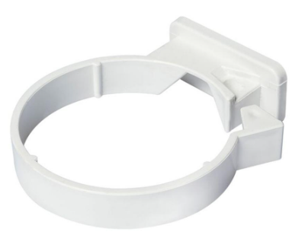 | Plumbing Safety | Rifeng
48 | Plastic Pipe Clip | A plastic pipe clip is a lightweight fastening device used to secure pipes, tubes, hoses, and electrical conduits to walls, ceilings, or other supporting surfaces. It helps keep piping systems properly aligned while preventing movement and vibration, Material : PVC, Polypropylene (PP), Nylon, ABS plastic, Type : Snap-On Pipe Clip, Pipe Clip With Nail, Saddle Pipe Clip, Spacer Bar Pipe Clip, Double Pipe Clip, Clip Size : 16 mm, 20 mm, 25 mm, 32 mm, 40 mm, 50 mm, |  | Water Pump Accessories | Blanco
49 | Cast Iron Pipe Clamp | A cast iron pipe clamp is a heavy-duty support and fastening device used to secure, support, align, and stabilize cast iron pipes in plumbing, drainage, sewer, HVAC, and industrial piping systems, Cast iron pipe clamps are designed to withstand heavy loads and provide a strong, durable connection between pipes and Material : Gray cast iron, Ductile cast iron, Galvanized cast iron, Stainless steel fasteners, Type : Split Ring Clamp, Riser Clamp, Clevis Clamp, Heavy-Duty Pipe Clamp, Hubless Pipe Clamp, Pipe Size: 1½ in (40 mm), 2 in (50 mm), 3 in (75 mm), 4 in (100 mm), 6 in (150 mm), Clamp Diameter : 40–42 mm , 50–52 mm, 75–77 mm, 100–102 mm, 150–152 mm, | 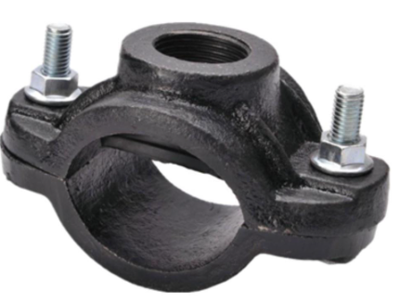 | Fire Fighting Plumbing | Schell
51 | Mirror Clamp | A mirror clamp is a mounting accessory used to secure mirrors to walls, cabinets, or other flat surfaces. It firmly holds the mirror in place while protecting the edges of the glass from damage, Material : Stainless steel, Brass, Aluminum, Zinc alloy, Chrome-plated steel, Type : Fixed Mirror Clamp, Adjustable Mirror Clamp, Decorative Mirror Clamp, Corner Mirror Clamp, Mirror Thickness : 4 mm, 5 mm, 6 mm, 8 mm, 10 mm, Clamp Size : 4–6 mm, 5–8 mm, 6–10 mm, 8–12 mm, 10–14 mm, |  | Pipe Accessories | SFA Saniflo
52 | Pipe Clamp SS | A stainless steel (SS) pipe clamp is a fastening and support device used to secure pipes, tubes, hoses, and conduits to walls, ceilings, support structures, or equipment. It provides stability, maintains pipe alignment, and reduces movement caused by vibration or fluid flow, Material : SS 201, SS 304, SS 316, U Clamp, Rubber-Lined Pipe Clamp, Split Ring Clamp, Riser Clamp, Heavy-Duty Pipe Clamp, Pipe Size : ½ in (15 mm), ¾ in (20 mm), 1 in (25 mm), 1½ in (40 mm), 2 in (50 mm), 4 in (100 mm), Clamp Diameter : 16–18 mm, 20–22 mm, 25–27 mm, 40–42 mm, 50–52 mm, 100–102 mm | 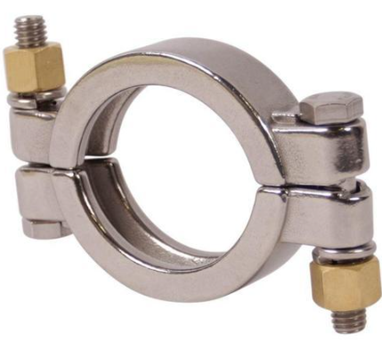 | Plumbing Workshop Items | Armstrong Fluid Technology
53 | Pipe Support Clamp | A pipe support clamp is a mechanical fastening device used to support, secure, and stabilize pipes in plumbing, HVAC, fire protection, and industrial piping systems. It helps maintain proper pipe alignment and prevents movement caused by vibration, thermal expansion, or fluid flow, Material : Stainless steel, Carbon steel, Galvanized iron (GI), Aluminum, PVC, Type : Split Ring Clamp, U Clamp, Riser Clamp, Rubber-Lined Clamp, Saddle Clamp, Pipe Size : ½ in (15 mm), ¾ in (20 mm), 1 in (25 mm), 2 in (50 mm), 4 in (100 mm), 6 in (150 mm), Clamp Size : 16–18 mm, 20–22 mm, 25–27 mm, 50–52 mm, 100–102 mm, 150–152 mm, | 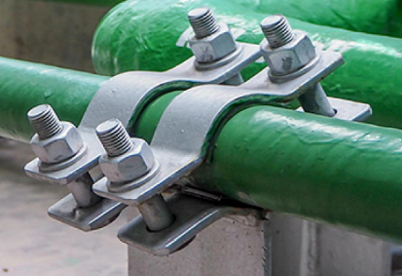 | HDPE & PPR Fittings | Grundfos
54 | Pipe Welding Clamp | A pipe welding clamp is a specialized tool used to hold, align, and secure pipes during welding operations. It ensures that the pipe ends remain properly positioned, helping welders produce accurate and high-quality joints, Material : Carbon steel, Stainless steel, Forged steel, Aluminum alloy, External Pipe Welding Clamp, Internal Pipe Welding Clamp, Chain Pipe Welding Clamp, Cage Clamp, Hydraulic Pipe Welding Clamp, Pipe Size : ½ in (15 mm), 1 in (25 mm), 2 in (50 mm), 4 in (100 mm), 6 in ( 150 mm ), Clamp Range : 15–20 mm, 25–30 mm, 50–60 mm, 100–110 mm, 150–160 mm, |  | Water Heater Accessories | Wilo
55 | Riser Clamp | A riser clamp is a pipe-support device used to support and secure vertical pipes (risers) in plumbing, fire protection, HVAC, and industrial piping systems. It transfers the weight of the vertical pipe to a floor, ceiling, or structural member and prevents the pipe from moving downward, Material : Carbon steel, Galvanized iron (GI), Stainless steel, Cast iron, Type : Adjustable Riser Clamp, Heavy-Duty Riser Clamp, Insulated Riser Clamp, Split Riser Clamp, Pipe Size : ½ in (15 mm), 1 in (25 mm), 2 in (50 mm), 4 in (100 mm), 6 in ( 150 mm ), Clamp Diameter : 16–18 mm, 25–27 mm, 50–52 mm, 100–102 mm, 150–152 mm, |  | Rain Water System | Kirloskar Brothers
56 | Rubber Lined Pipe Clamp | A rubber lined pipe clamp is a pipe-support device designed to secure pipes while minimizing vibration, noise, and surface damage. The inside of the clamp is lined with a layer of rubber that cushions the pipe and provides additional protection, Material : Stainless steel, Galvanized steel (GI), Mild steel, EPDM rubber, NBR rubber, Two-Piece Rubber Lined Clamp, Split-Ring Rubber Lined Clamp, Heavy-Duty Rubber Lined Clamp, Cushioned Pipe Clamp, Pipe Size : ½ in (15 mm), ¾ in (20 mm), 1 in (25 mm), 2 in (50 mm), 4 in (100 mm), Clamp Diameter : 16–18 mm, 20–22 mm, 25–27 mm, 50–52 mm, 100–102 mm, | 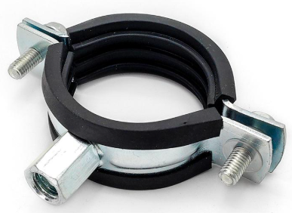 | Septic & Sewer | CRI Pumps
59 | CPVC Pipe Clamp | A CPVC Pipe Clamp is a support fitting used to securely hold CPVC (Chlorinated Polyvinyl Chloride) pipes to walls, ceilings, or other structures. It helps maintain proper pipe alignment, minimizes movement, and reduces stress on the piping system, CPVC / PVC Plastic, Polypropylene (PP), Stainless Steel (SS 304), Galvanized Steel (GI) with EPDM rubber lining (heavy-duty type), Pipe Size : 15 mm, 20 mm, 25 mm, 32 mm, 40 mm, 50 mm, 63 mm, 75 mm, 90 mm, 110 mm |  | Water Treatment | Shakti Pumps
60 | Beam Clamp | A Beam Clamp is a mechanical fastening device used to secure pipes, cables, conduits, electrical trays, and other services to structural steel beams without drilling or welding, Beam Clamp – Heavy-duty galvanized steel clamp for securely attaching pipe supports, threaded rods, cable trays or other services to structural steel beams without drilling or welding, Material : Carbon steel / SS, Finish :L Galvanized / Zinc plated, Type : Standard / Heavy-duty / Swivel, Thread : M6 / M8 / M10 / M12 / M16, |  | PVC & CPVC Accessories | Lubi Industries
61 | Brass Pipe Clamp | A Brass Pipe Clamp is a clamp used to secure and support pipes in a fixed position, preventing movement or vibration, Pipe → Brass Pipe Clamp → Wall / Support Surface, Material: Brass, Function: Pipe support and fixing, Mounting: Wall, floor, ceiling or structural surface, Common applications: Plumbing, water supply, sanitary and utility piping, Types: Single Pipe Clamp, Double Pipe Clamp, Saddle Clamp, |  | GI Pipe & Fittings | Havells
66 | Pool Vaccum Hose | A pool vacuum hose is a flexible hose used to connect a pool vacuum head to a filtration system, skimmer, or vacuum pump to remove dirt, debris, algae, and sediment from swimming pools, Type: Manual pool vacuum hose, Automatic pool cleaner hose, Heavy-duty vacuum hose, Floating pool vacuum hose, Sizes: 1¼ inch, 1½ inch, 2 inch, Common lengths: 6 m (20 ft), 9 m (30 ft), 12 m (40 ft), 15 m (50 ft), Materials: PVC, Polyethylene (PE), EVA (ethylene-vinyl acetate), |  | Water Supply Accessories | Apollo Pipes
67 | Pump Hose | A pump hose is a flexible hose used to transfer liquids from or to a pump. It is commonly installed on the suction side (inlet) or discharge side (outlet) of a pump to transport water, chemicals, slurry, fuel, or other fluids, Type: Suction hose, Discharge hose, Lay-flat hose, Flexible rubber hose, Reinforced PVC hose, Chemical transfer hose, Sizes: 1 inch, 1½ inch, 2 inch, 3 inch, 4 inch, 6 inch, Materials: PVC, Rubber, Polyurethane (PU), Polyethylene (PE), EPDM rubber, |  | Seals & Washer | Truflo by Hindware
69 | Sink Clip | A sink clip is a fastening device used to secure a sink or wash basin to a countertop, cabinet, or wall. It helps keep the sink firmly in place and prevents movement during daily use, Material : Stainless steel, Galvanized steel, Brass, Zinc alloy, Plastic, Type : Undermount Sink Clip, Drop-In Sink Clip, Wall-Mount Sink Clip, Adjustable Sink Clip, Sink Type : Bar sink, Kitchen sink, Utility sink, Wash basin, Clip Size :25–35 mm, 35–50 mm, 40–60 mm, |  | Cleaning & Maintainance | Ashok Plastic
70 | Sink Overflow Hose | A sink overflow hose is a flexible tube that carries excess water from the overflow opening of a sink or wash basin to the drain pipe, preventing water from spilling over the edge of the sink, Types of sink overflow hoses: Corrugated overflow hose, Flexible PVC overflow hose, Universal overflow hose, Molded overflow tube, Materials: PVC (Polyvinyl Chloride), Polypropylene (PP), Polyethylene (PE), Rubber, Sizes: 19 mm (3/4 inch), 25 mm (1 inch), 32 mm (1¼ inch), 40 mm (1½ inch), |  | Borewell & Submersible Accessories | Jindal Pipes
72 | RO Sink Faucet | A RO Sink Faucet is a small faucet installed on a kitchen sink or countertop to dispense purified water from an RO (Reverse Osmosis) water purifier, Material: SS, brass, or chrome-plated brass, Types: Single-handle, lever, push type, Connection: Commonly 1/4" or 3/8" tubing, depending on the RO system, |  | Steam & Boiler Fitting | Tata Steel
74 | Spiral Flex Hose | A spiral flex hose is a flexible hose reinforced with a spiral wire or rigid helix to provide additional strength, flexibility, and resistance to crushing, kinking, and vacuum pressure, Types of spiral flex hoses: PVC spiral hose, Suction hose, Vacuum hose, Polyurethane (PU) spiral hose, Air duct hose, Chemical transfer hose, Materials: PVC (Polyvinyl Chloride), Polyurethane (PU), Rubber, Polyethylene (PE), Steel wire reinforcement, Sizes: 1 inch, 1½ inch, 2 inch, 3 inch, 4 inch, 6 inch, |  | Solar Water Heater Accessories | Electrosteel Castings
75 | Steam Hose | A steam hose is a reinforced hose specially designed to transfer saturated or superheated steam at high temperatures and pressures. It is commonly used in industrial applications that require the safe delivery of steam from boilers to equipment, Types of steam hoses: Saturated steam hose, Superheated steam hose, Wire-braided steam hose, High-pressure steam hose, Materials: EPDM rubber, Synthetic rubber, Steel wire reinforcement, Brass fittings, Stainless steel fittings, Sizes: 1/2 inch, 3/4 inch, 1 inch, 1½ inch, 2 inch, 3 inch, Saturated steam : 100°C–180°C, Superheated steam : 180°C–232°C or higher, | 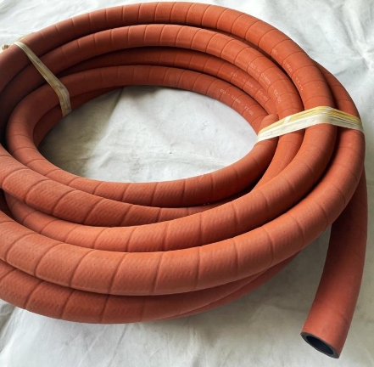 | Swimming Pool Plumbing | Dutron
76 | Suction Hose | A suction hose is a reinforced flexible hose designed to draw liquids, slurries, or other materials into a pump. It is constructed to withstand vacuum pressure and prevent the hose from collapsing during operation, Type : PVC suction hose, Rubber suction hose, Steel wire-reinforced suction hose, Chemical suction hose, Food-grade suction hose, Sizes: 1 inch, 1½ inch, 2 inch, 3 inch, 4 inch, 6 inch, Materials: PVC (Polyvinyl Chloride), Rubber, Polyurethane (PU), Polyethylene (PE), Steel wire reinforcement, |  | Industrial Pipe Fittings | Mangalam Pipes
78 | Washing Machine Drain Hose | A washing machine drain hose is a flexible hose that carries wastewater from a washing machine to a household drainage system. It is designed to withstand continuous water flow, detergents, and repeated use, Types of washing machine drain hoses: Corrugated drain hose, Universal drain hose, Extension drain hose, Reinforced drain hose, Materials: Polypropylene (PP), PVC (Polyvinyl Chloride), Polyethylene (PE), Rubber, Lengths: 1 m, 1.5 m, 2 m, 3 m, 5 m, Sizes: 19 mm (3/4 inch), 25 mm (1 inch), 32 mm (1¼ inch), |  | Plumbing Spare Parts | KPT Pipes
79 | Washing Machine Inlet Hose | A washing machine inlet hose is a flexible hose that supplies clean water from the household water line to the washing machine. It is designed to withstand water pressure and provide a secure, leak-resistant connection, Type : PVC inlet hose, Stainless steel braided inlet hose, Reinforced rubber inlet hose, Universal inlet hose, Materials: PVC (Polyvinyl Chloride), EPDM rubber, Stainless steel, Nylon reinforcement, Brass or plastic fittings, Sizes: 3/4-inch connection, 1/2-inch connection, Lengths: 1 m, 1.5 m, 2 m, 3 m, |  | Pipe Nipples & Extensions | Ashoka Pipes
80 | Chemical Resistant Hose | A chemical-resistant hose is a flexible hose specifically designed to safely transfer acids, alkalis, solvents, and other corrosive chemicals while resisting chemical degradation, permeation, and damage, Types of chemical-resistant hoses: PTFE chemical hose, UHMWPE chemical hose, PVC chemical hose, Rubber chemical hose, Composite chemical transfer hose, Materials: PTFE (Polytetrafluoroethylene), UHMWPE (Ultra-High-Molecular-Weight Polyethylene), EPDM rubber, PVC (Polyvinyl Chloride), Stainless steel reinforcement, Sizes: 1/2 inch, 3/4 inch, 1 inch, 1½ inch, 2 inch, 3 inch, 4 inch | 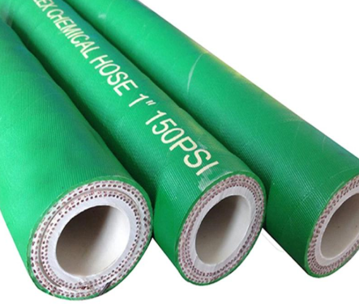 | Pipe Fittings | Ashchem
82 | Flex Drain Hose | A flex drain hose is a flexible tube used to carry wastewater from sinks, washing machines, dishwashers, air conditioners, and other appliances to a drainage system. Its flexible design allows it to be installed in confined spaces and around obstacles, Types of flex drain hoses: Corrugated drain hose, Expandable drain hose, Washing machine drain hose, Sink drain hose, Dishwasher drain hose, Materials: PVC (Polyvinyl Chloride), Polypropylene (PP), Polyethylene (PE), Rubber, Sizes: 19 mm (3/4 inch), 25 mm (1 inch), 32 mm (1¼ inch), 40 mm (1½ inch), Lengths: 1 m, 1.5 m, 2 m, 3 m, 5 m, | 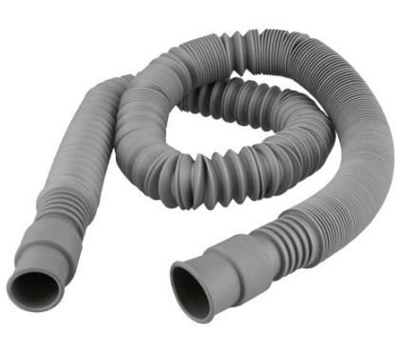 | Water Supply Items | 3M
84 | Food Grade Hose | A food grade hose is a specialized flexible hose designed for the safe transfer of food products, beverages, dairy products, and potable water. It is manufactured from non-toxic materials that do not affect the taste, odor, or quality of the product being transported, Types of food grade hoses: PVC food grade hose, Silicone food grade hose, Rubber food grade hose, Polyurethane (PU) food grade hose, Beverage transfer hose, Materials: PVC (Polyvinyl Chloride), Silicone, Polyurethane (PU), EPDM rubber, Stainless steel fittings, Sizes: 1/4 inch, 3/8 inch, 1/2 inch, 3/4 inch, 1 inch, 1½ inch, 2 inch, 3 inch, | 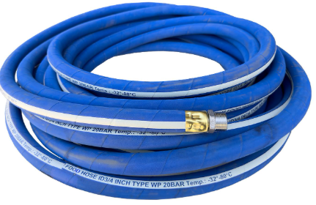 | Kitchen Plumbing | Loctite
86 | Drinking Water Hose | A Drinking Water Hose (also called a Potable Water Hose) is a food-grade flexible hose designed for the safe transfer of drinking water. It is manufactured from materials that do not impart taste, odor, or harmful chemicals to the water, Common Material : Food-Grade PVC, Polyurethane (PU), EPDM Rubber (potable water approved), Reinforced PVC with polyester braid, Size : 1/2", 5/8", 3/4", 1", Length : 10 m, 15 m, 20 m, 30 m, 50 m, Working Pressure : 6–15 bar (depending on hose type), Color : Blue, White, or Transparent, Type : Food-Grade PVC Drinking Water Hose, Reinforced Potable Water Hose, RV Drinking Water Hose, Marine Potable Water Hose, Heavy-Duty Potable Water Hose |  | Pipe Repair & Jointing | Honeywell
87 | Delivery Hose | A Delivery Hose (also called a Discharge Hose) is a flexible hose used to carry liquids from the outlet of a pump to the point of discharge. It is widely used for water transfer, irrigation, construction, firefighting, dewatering, and industrial applications, Common Application : Water pumps, Irrigation systems, Construction site dewatering, Firefighting systems, Industrial water transfer, Mining and wastewater pumping, PVC Lay Flat : Reinforced PVC, Rubber (EPDM/NBR), TPU (Thermoplastic Polyurethane), Type : PVC Lay Flat Delivery Hose, Reinforced PVC Delivery Hose, Rubber Delivery Hose, Fire Delivery Hose, Heavy-Duty Industrial Delivery Hose, Size Range : 1" to 12" (25–300 mm), Length : 10 m, 20 m, 30 m, 50 m, Material : PVC, Reinforced PVC, Rubber, TPU, Working Pressure : 4–20 bar (depending on hose type), End Connection : Hose Tail, Camlock, Storz, BSP Thread, Quick Coupling | 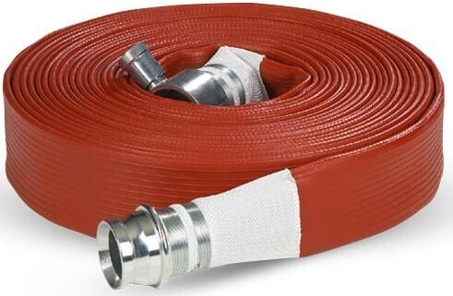 | Flanges | Honeywell Home
88 | Pool Hose Connector | A pool hose connector is a fitting used to join swimming pool hoses to pumps, filters, skimmers, vacuum heads, chlorinators, and other pool equipment. It provides a secure, leak-resistant connection for proper water circulation and cleaning, Material : PVC, ABS plastic, Polypropylene (PP), Stainless steel, Brass, Type : Straight Pool Hose Connector, Threaded Pool Hose Connector, Barbed Pool Hose Connector, Pool Vacuum Hose Connector, Pool Hose Adapter, Hose Size : 1¼ in 32 mm, 1½ in 38 mm, 2 in 50 mm, |  | Gasket & Seal | Milwaukee Tool
92 | Reducing Cross | A Reducing Cross is a four-way pipe fitting used to connect four pipes of different or unequal sizes. It allows the flow of liquid or gas to be distributed or combined in four directions while reducing one or more branch connections, Material : Brass, PVC, CPVC,Stainless steel, Galvanized iron (GI), Material : Brass, PVC, CPVC, Stainless steel, Galvanized iron (GI), Connection : Threaded, Socket weld, Solvent weld, Grooved, Press-fit Size combination : Main Pipe Size x Branch Pipe Size : 1 inch x ¾ inch, 1¼ inch x 1 inch, 1½ inch x 1 inch, 2 inch x 1½ inch, 3 inch x 2 inch, | 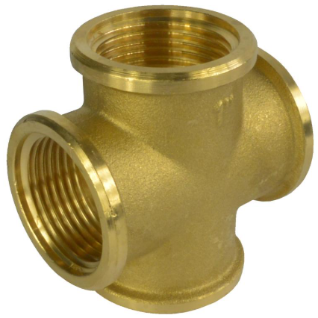 | PVC Electrical & Utility Conduit | Knipex
95 | Flex Waste Connector | Flexible Waste Pipe, Flex Waste Hose, Flexible Drain Connector, Basin Flex Waste, A Flex Waste Connector is a flexible drain connector used to connect a basin, sink, or other sanitary fixture to the waste/drain pipe, Type: Flexible waste/drain connector, Material: Flexible PVC or polypropylene, Sizes: 32 mm, 40 mm, and 50 mm, |  |  | Taparia Tools
96 | Offset Pen Connector | Offset Pan Connector, WC Offset Connector, Toilet Offset Connector, Offset Soil Connector, An Offset Pan Connector is a toilet plumbing fitting used to connect a WC/toilet pan outlet to the soil or drainage pipe when the two openings are not perfectly aligned, Type: Offset WC/Pan connector, Material: PVC, polypropylene, or rubber, Connection: Push-fit or socket connection, depending on model, Sizes: Typically 100 mm / 110 mm, |  |  | Venus Valves
97 | Offset WC Connector | Offset Pan Connector, Offset Toilet Connector, WC Pan Offset Connector, An Offset WC Connector is a toilet waste fitting used to connect a WC pan to the soil/drain pipe when the toilet outlet and drain pipe are slightly misaligned, Type: Offset WC / pan connector, Material: PVC, polypropylene, or flexible rubber, Size: 100–110 mm, depending on the drainage system, Connection: Push-fit/socket type, |  |  | Leader Valves
98 | Pan Connector | WC Pan Connector, Toilet Pan Connector, WC Connector, Soil Pipe Connector, A Pan Connector is a plumbing fitting used to connect the outlet of a toilet/WC pan to the soil or drainage pipe, Type: WC / toilet pan connector, Material: PVC, polypropylene, or rubber, Size: 100–110 mm, depending on the toilet and drainage system, |  |  | L&T Valves
99 | RO Connector Kit | RO Fitting Kit, RO Pipe Connector Set, RO Quick Connect Fitting Kit, An RO Connector Kit is a set of quick-connect fittings used for installing, extending, repairing, and replacing tubing in RO water purifier systems, Typical kit includes: RO Straight Connector, RO Tee Connector, RO Elbow Connector, RO End/Stop Connector, RO Tube Joiner, Size: 1/4 inch (6.35 mm) RO tubing, Material: Food-grade PP/acetal plastic, Connection: Push-fit / quick-connect |  |  | Kirloskar Valves
100 | RO Elbow Connector | RO Elbow Fitting, RO Tube Elbow, 90° RO Connector, An RO Elbow Connector is a push-fit fitting used to connect RO tubing at a 90° angle, helping change the direction of the water line, Common size: 1/4 inch (6.35 mm), Type: 90° Push-fit / Quick-connect, Material: Food-grade PP or acetal plastic, Connection: Push-fit on both ends, |  |  | Zoloto Valves
101 | RO Straight Connector | An RO Straight Connector is a push-fit plumbing fitting used to connect two lengths of RO (Reverse Osmosis) tubing in a straight line, Type: Straight / Inline Connector, Connection: Push-fit / quick-connect, Tube Size: 1/4 inch (6.35 mm), 3/8 inch, Material: Food-grade plastic, commonly polypropylene (PP) or acetal, Common name: RO Tube Straight Connector / RO Inline Connector / RO Pipe Joiner. |  |  | Copa slip
102 | Tank Connector | A Tank Connector is a plumbing fitting used to create a secure connection between a water tank and a pipe, valve, or hose. It is installed through an opening in the tank wall to provide a leak-proof outlet or inlet for the transfer of liquids, Material: PVC, CPVC, Brass, Stainless steel, Polypropylene (PP), Types of tank connectors : Bulkhead tank connector, Threaded tank connector, Flanged tank connector, Hose tank connector, Reducing tank connector, Connector Size : ½ inch, ¾ inch, 1 inch, 1½ inch, 2 inch,
103 | WYE Connector | A WYE Connector (Y Connector) is a pipe fitting that joins or divides the flow between three pipes in a Y-shaped configuration. Unlike a standard tee fitting, a wye connector uses an angled branch, usually 45°, to provide a smoother flow path, Material : PVC, CPVC, Brass, Stainless steel, Cast iron, Polypropylene, Type : Equal wye (all outlets are the same size), Double wye, Sanitary wye, Hose wye connector, Main Size x Branch Size : 25 mm x 25 mm, 32 x 25 mm, 40 mm x 40 mm, 50 mm x 40 mm, 75 mm x 50 mm, 110 mm x 75 mm, | 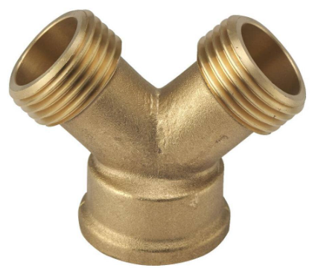
108 | Brass Olive Ring | A Brass Olive Ring (also called a compression olive or ferrule) is a small ring used inside a compression fitting to seal and grip the pipe when the compression nut is tightened, Pipe → Brass Olive Ring → Compression Fitting → Tightened Nut → Leak-proof Joint, Material: Brass, Shape: Ring / Ferrule, Function: Sealing and gripping the pipe, Used with: Compression nut and compression fitting, Applications: Water, gas and plumbing pipe connections, Common sizes: 6 mm, 8 mm, 10 mm, 12 mm, 15 mm, 22 mm,
109 | Filter Housing O Ring | Filter Housing Gasket, Housing O-Ring, Filter Bowl O-Ring, RO Housing Seal, A Filter Housing O-Ring is a circular rubber sealing ring fitted between the filter housing body and its cap/bowl to prevent water leakage, Type: O-Ring / sealing gasket, Material: EPDM, NBR, silicone, or other suitable rubber,
114 | Camlock Coupling | A camlock coupling is a quick-connect hose and pipe fitting used to connect and disconnect hoses without using special tools. It consists of a male adapter and a female coupler with cam arms (levers) that lock the connection securely, Types of camlock couplings: Type A (male adapter × female thread), Type B (female coupler × male thread), Type C (female coupler × hose shank), Type D (female coupler × female thread), Type E (male adapter × hose shank), Type F (male adapter × male thread), Dust cap, Dust plug, Material : Aluminum, Brass, Stainless steel, Polypropylene, Nylon, Sizes: 1/2 inch, 3/4 inch, 1 inch, 1½ inch, 2 inch, 3 inch, 4 inch, 6 inch, | 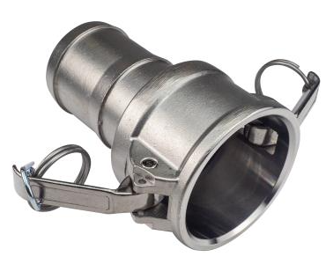
115 | Victaulic Coupling | Grooved Coupling / Mechanical Pipe Coupling, A Victaulic Coupling is a grooved mechanical pipe coupling used to join two grooved pipes without welding or threading, It uses a rubber gasket and coupling housing to provide a secure, leak-resistant connection, Materials: Ductile iron, stainless steel, or other metals Types: Rigid coupling, flexible coupling, reducing coupling, Victaulic Coupling – Common Sizes 1¼″ (DN32), 1½″ (DN40), 2″ (DN50), 2½″ (DN65), 3″ (DN80), 4″ (DN100), 5″ (DN125), 6″ (DN150), 8″ (DN200), 10″ (DN250), 12″ (DN300), 14″ (DN350), 16″ (DN400), | 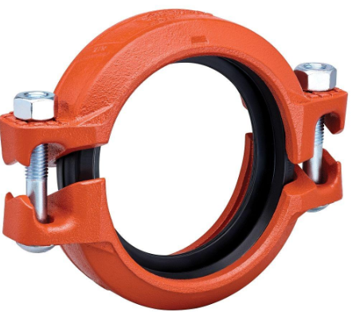
116 | Universal Coupling | Universal Pipe Coupling / Multi-Purpose Coupling / Repair Coupling, A Universal Coupling is a pipe fitting used to join two pipes of the same or different materials and, depending on the model, slightly different outside diameters. It is commonly used for pipe repair, replacement, and connecting different pipe systems, Size : 1½″ (40 mm), 2″ (50 mm), 2½″ (65 mm),3″ (80 mm),4″ (100 mm), 6″ (150 mm), 8″ (200 mm), 10″ (250 mm), 12″ (300 mm), Material: Ductile iron, cast iron, stainless steel,
118 | Quick Coupling | Quick Connect Coupling / Quick Release Coupling / Quick Connector, A Quick Coupling is a fitting designed to connect and disconnect pipes, hoses, or equipment quickly without using tools. It commonly uses a push, snap, or locking mechanism, Materials: Brass, stainless steel, plastic, aluminium, Size: ¼″, ⅜″, ½″, ¾″, 1″, 1¼″, 1½″, 2″, Type: Camlock coupling, quick-release coupling, push-fit coupling, hydraulic quick coupling,
120 | RO Tee Connector | RO Tee Fitting, RO Tube Tee, RO Branch Connector, An RO Tee Connector is a push-fit plumbing fitting used to connect three RO tubes, creating a branch in the water line, Common size: 1/4 inch (6.35 mm), Type: Push-fit / Quick-connect, Material: Food-grade PP or acetal plastic, Connection: Three equal-size tube connections,
122 | Cleanout Tee | Cleanout Tee Fitting / Drain Cleanout Tee / Access Tee, A Cleanout Tee is a plumbing/drainage fitting with a removable access cap or plug that allows easy access to the pipeline for cleaning, inspection, and removing blockages, Materials: PVC, CPVC, cast iron, or other suitable materials, Sizes: 40 mm, 50 mm, 75 mm, 110 mm, 160 mm,
123 | Compression Tee | A Compression Tee is a pipe fitting used to connect three pipes in a T-shaped arrangement without threading, welding, or solvent cement. It uses compression nuts and sealing rings to create a watertight connection. Materials: Brass, plastic, PVC, HDPE, Sizes: 15 mm, 20 mm, 25 mm, 32 mm, Types: Equal Compression Tee and Reducing Compression Tee,
127 | Camlock Dust Cap | A Camlock Dust Cap is a protective cap used to seal the female end of a camlock coupling when it is not connected. It helps prevent dust, dirt, moisture, and other contaminants from entering the coupling and damaging the system, Note: A camlock dust cap is designed for protection during storage or temporary shutdown and should not be used as a pressure-retaining device, Materials: Aluminum, Brass, Stainless steel, Polypropylene, Nylon, Sizes: 1/2 inch, 3/4 inch, 1 inch, 1½ inch, 2 inch, 3 inch, 4 inch, 6 inch,
128 | Carbon Block Cartridge | A Carbon Block Cartridge is a water filtration cartridge made from compressed activated carbon. It is designed to remove chlorine, unpleasant odors, bad tastes, sediment, and certain organic contaminants from water, Types of carbon block cartridges: Standard carbon block cartridge, Coconut shell carbon cartridge, Extruded carbon block cartridge, High-flow carbon block cartridge, Sizes: 5-inch cartridge, 10-inch cartridge, 20-inch cartridge, Slim cartridge, Big Blue cartridge
129 | Carbon Filter | A carbon filter is a filtration device that uses activated carbon to remove contaminants, odors, chlorine, gases, and certain organic compounds from water or air through a process called adsorption, Type : Granular activated carbon (GAC) filter, Carbon block filter, Powdered activated carbon (PAC) filter, Air carbon filter, Industrial activated carbon filter, Common filtration capabilities: Chlorine removal, Odor reduction, Taste improvement, Reduction of volatile organic compounds (VOCs), Removal of certain chemicals and gases,
130 | Cartridge Filter Housing | A cartridge filter housing is a pressure-resistant enclosure designed to hold and protect a filter cartridge during the filtration process. It directs water or other fluids through the filter cartridge, allowing contaminants to be removed before the fluid exits the system, Types of cartridge filter housings: Single-cartridge housing, Multi-cartridge housing, Standard housing, Big Blue housing, Stainless steel housing, Transparent housing, Common cartridge Sizes: 5-inch, 10-inch, 20-inch, 30-inch, 40-inch, Housing Materials: Polypropylene (PP), Polyvinyl chloride (PVC), Stainless steel, Fiberglass-reinforced plastic (FRP)
131 | Sediment Filter Cartridge | A Sediment Filter Cartridge is a replaceable water-filter element designed to remove physical particles and suspended solids from water, PP Filter Cartridge / Sediment Cartridge / Pre-Filter Cartridge, Removes: Sand, dirt, dust, rust, mud, and silt, Material: Polypropylene (PP), Types: PP spun, PP melt-blown, pleated sediment Common micron ratings: 1, 5, 10, 20, 50 micron, Sizes: 10", 20", Slim, Big Blue,
132 | Floor Trap | Floor Drain Trap / Nahani Trap / Waste Trap, A Floor Trap is a plumbing fitting installed in the floor to collect wastewater and prevent foul sewer gases from entering the building. It normally contains a water seal that acts as a barrier, Materials: PVC, UPVC, stainless steel, cast iron, etc, Common types: P-Trap, S-Trap, Nahani Trap, and Deep-Seal Floor Trap, Sizes: 75 mm, 100 mm, 110 mm,
133 | Flex Bottle Trap | Flexible Bottle Trap / Flex Waste Trap / Flexible Basin Trap, A Flex Bottle Trap is a flexible drainage trap used below a wash basin or sink to connect the waste outlet to the drain pipe while maintaining a water seal that helps prevent foul odors and sewer gases, Material: Flexible PVC or polypropylene, Sizes: 32 mm (1¼") and 40 mm (1½"),
134 | Gully Grating | Gully Cover / Drain Grating / Gully Grid, A Gully Grating is a perforated or slotted cover fitted over a drainage gully to allow wastewater to enter while preventing leaves, debris, and larger objects from entering and blocking the drain, Materials: Stainless steel, cast iron, ductile iron, brass, or plastic, Types: Round, square, rectangular, anti-slip, and removable, Sizes: 100 × 100 mm, 150 × 150 mm, 200 × 200 mm, 300 × 300 mm,
135 | Drain Grating | Drain Cover / Drain Grid / Floor Drain Grating, A Drain Grating is a slotted or perforated cover installed over a floor, channel, or surface drain to allow water to flow into the drainage system while stopping debris and larger objects from entering, Materials: Stainless steel, cast iron, ductile iron, brass, PVC, or plastic Types: Floor drain grating, channel drain grating, trench grating, and gully grating, Shapes: Round, square, rectangular, and linear, Sizes: 100 × 100 mm, 150 × 150 mm, 200 × 200 mm, 300 × 300 mm,
136 | Overflow Grating | Overflow Grille / Overflow Cover / Overflow Drain Grating, An Overflow Grating is a perforated or slotted cover fitted over an overflow outlet to allow excess water to drain while preventing debris and large objects from entering the overflow pipe, Materials: Stainless steel, brass, PVC, plastic, or cast iron, Design: Slotted, perforated, or mesh type, Sizes: 40 mm, 50 mm, 75 mm, 100 mm, depending on the outlet,
137 | Grating Frame | Drain Grating Frame / Gully Frame / Grating Support Frame, A Grating Frame is the supporting frame installed around or beneath a drain, gully, trench, or floor grating. It provides a secure seating for the grating and helps transfer load to the surrounding floor or structure, Materials: Stainless steel, galvanized steel, cast iron, ductile iron, or PVC, Types: Square frame, rectangular frame, channel frame, and heavy-duty frame, Sizes: 100 × 100 mm, 150 × 150 mm, 200 × 200 mm, 300 × 300 mm, etc.
141 | Manhole Cover | A Manhole Cover is a removable cover placed over a manhole opening to provide access to underground drainage, sewer, or utility systems while keeping the opening safely closed, Materials: Cast iron (CI), ductile iron, steel, composite, Types: Solid, perforated, hinged, recessed, Shapes: Round, square, rectangular Common sizes: 300×300 mm, 450×450 mm, 600×600 mm and larger, Components: Cover + frame,
142 | Manhole Frame | A Manhole Frame is the supporting frame installed around a manhole opening to hold and support the manhole cover. It transfers the load safely to the surrounding pavement, road, or concrete structure, Types: Cast Iron Manhole Frame, Ductile Iron Frame, Steel Manhole Frame, Composite/Polymer Frame, Heavy-Duty Manhole Frame, Opening Size x Typical Use - 450 × 450 mm Small Manhole, 600 × 600 mm Standard Manhole, 750 × 750 mm Medium Manhole, 900 × 900 mm Large Manhole, 1200 × 1200 mm Heavy-Duty / Large Chamber,
144 | Clean Out Plug with Cover | A Clean Out Cover is a removable cover fitted over a plumbing cleanout opening, allowing access to drainage pipes for inspection, cleaning, and blockage removal, Materials: SS, brass, PVC, cast iron, Types: Screw type, threaded, recessed, floor cleanout cover, Sizes: 50 mm, 75 mm, 100 mm, 150 mm,
145 | Floor Cleanout Cover | A Floor Cleanout Cover is a removable cover installed on a floor-level drainage cleanout to provide access for pipe inspection, cleaning, and blockage removal, Materials: SS, brass, cast iron, PVC, Types: Screw-down, threaded, recessed, hinged, Common sizes: 50 mm, 75 mm, 100 mm, 150 mm,
146 | Inspection Chamber Cover | An Inspection Chamber Cover is a removable cover fitted over an underground drainage inspection chamber. It provides access for inspection, cleaning, and maintenance of the drainage system, Materials: Cast iron (CI), ductile iron, steel, concrete, polymer/composite, Types: Solid, recessed, hinged, lockable, Shapes: Square, rectangular, round, Components: Cover + supporting frame, Size (mm) : 300 × 300, 450 × 450, 600 × 450, 600 × 600, 750 × 600, 900 × 600, 900 × 900, 1200 × 1200, Round covers: commonly 450 mm, 600 mm, 750 mm, 900 mm diameter,Exact cover size should match the chamber opening and frame dimensions. Also specify the load class (e.g., pedestrian, light-duty, heavy-duty/traffic) when purchasing, | 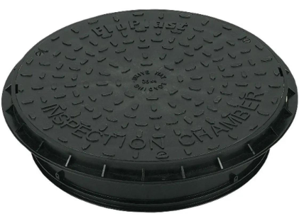
147 | Inspection Cover | An Inspection Cover is a removable cover that provides access to drainage, plumbing, or utility openings for inspection, cleaning, and maintenance, Materials: SS, brass, cast iron, aluminium, PVC, Types: Screw type, hinged, recessed, lockable, Shapes: Round, square, rectangular, Sizes: 300 × 300 mm, 450 × 450 mm, 600 × 600 mm,
149 | Septic Tank Cover | A Septic Tank Cover is a removable, heavy-duty cover fitted over a septic tank access opening. It provides safe access for inspection, cleaning, pumping, and maintenance, Materials: RCC/concrete, cast iron, ductile iron, FRP, plastic, Types: Hinged, bolted, lockable, recessed, Shapes: Round, square, rectangular, Common sizes: 450 × 450 mm, 600 × 600 mm, 900 × 600 mm, 900 × 900 mm, Components: Cover + frame,
150 | Tank Cover | A Tank Cover is a lid fitted over the top of a water storage or other storage tank to protect the contents from dust, dirt, debris, insects, and contamination, Materials: HDPE, PP, PVC, FRP, SS, aluminium, Types: Removable, hinged, screw-on, lockable, Shapes: Round, square, rectangular, Szes: 300 mm, 450 mm, 600 mm, 900 mm diameter; larger custom sizes available,
153 | Over Head Tank | An Overhead Tank (OHT) is a water storage tank installed at an elevated position, such as a building roof, terrace, or tank tower, Material: HDPE, PVC, Polyethylene, RCC, Stainless Steel, Capacity: 500, 750, 1000, 1500, 2000, 3000, 5000, 10000 L and larger, Layers: Single, Double, Triple, or Multi-layer, Shape: Cylindrical, Vertical, Horizontal, Fittings: Inlet, outlet, overflow, drain, vent, Approx. Dimensions (Dia × Height), 0.9 × 1.0 m, 1.05 × 1.1 m, 1.1 × 1.2 m, 1.3 × 1.3 m, 1.45 × 1.5 m, 1.7 × 1.6 m, 2.1 × 1.8 m, 2.6 × 2.3 m, Common plumbing outlet sizes: 1", 1¼", 1½", 2",
154 | Water Tank | A Water Tank is a container used to store water for domestic, commercial, agricultural, or industrial use, Capacity:200, 500, 750, 1000, 1500, 2000, 3000, 5000, 10000, Materials: HDPE / Polyethylene, PVC, Stainless Steel, Fiberglass, RCC / Concrete, GRP, Types: Overhead Water Tank, Loft Water Tank, Underground Water Tank, Horizontal Water Tank, Vertical Water Tank, RO Storage Tank, Industrial Water Tank, Common fittings: Inlet, outlet, overflow, drain, vent, tank cover, and tank connector,
155 | Tank Overflow Elbow | A Tank Overflow Elbow is a pipe fitting installed at the overflow outlet of a water storage tank to change the direction of the overflow pipe, usually by 90°, Material: PVC, UPVC, HDPE, PP, Brass, Stainless Steel, Sizes: 1½", 2", 2½", 3", 4", Angle: 90° (most common), Connection: Threaded, socket, or push-fit, Types: Male Thread Elbow, Female Thread Elbow, Tank Bulkhead Elbow,
156 | Tank Float Kit | A Tank Float Kit is a set of components used to automatically control the water level inside a storage tank. When the water reaches the preset level, the float mechanism closes the inlet valve and stops the water suppl, .Typical components: Float ball / Float valve, Float arm, Inlet connector, Rubber washers/gaskets, Lock nut, Adapters, depending on the kit, Sizes: ½", ¾", 1", 1¼", 1½", 2", Materials: Brass, Stainless Steel, PVC, PP, Nylon,
157 | Tank Air Vent | A Tank Air Vent is a fitting installed on a water or storage tank to allow air to enter and leave the tank as the water level changes. It helps maintain proper atmospheric pressure and prevents vacuum or excessive pressure inside the tank, Material: PVC, HDPE, PP, Stainless Steel, Aluminum, Sizes: ½", ¾", 1", 1½", 2", 3", 4" Type: Open Vent, Breather Vent, Screened Vent, Filtered Vent, Screen: Stainless Steel or nylon insect mesh Connection: Threaded, flanged, or socket type,
158 | Clevis Hanger | A pipe hanger is a support device used to suspend or secure pipes from ceilings, walls, beams, or other structural members. It helps keep piping aligned, carries the pipe's weight, and reduces stress and vibration, Types: Clevis hanger, Split ring hanger, U-bolt hanger, Adjustable swivel hanger, Roller hanger, Material -Carbon steel, Galvanized steel, Stainless steel, Copper-plated steel, Sizes: ½", ¾", 1", 1¼", 1½", 2", 2½", 3", 4", 6" and larger.
160 | Utility Box | A Utility Box is a general-purpose enclosure used to house, protect, and provide access to electrical, plumbing, communication, or control components. The exact design depends on the application, Size (L × W × D), 100 × 100 × 50 mm, 150 × 100 × 75 mm, 200 × 150 × 100 mm, 300 × 200 × 150 mm, 400 × 300 × 200 mm, Material: PVC, ABS, Polycarbonate, Mild Steel, Stainless Steel, Type: Junction Box, Inspection Box, Weatherproof Box, Utility Enclosur, Protection: IP54, IP55, IP65, IP66, Mounting: Surface-mounted or recessed,
161 | Conduit Spacer | A Conduit Spacer is a fitting used to maintain a fixed distance between electrical conduits during installation. It keeps conduits aligned and prevents them from shifting, especially when conduits are embedded in concrete or installed in groups.Material: PVC, HDPE, Polypropylene, Nylon, Sizes: 20, 25, 32, 40, 50, 63, 75, 90, 110 mm, Types: Snap-on, Clip-on, Stackable, Multi-way,
162 | Copper Capillary Fitings | Copper Capillary Fittings are small copper fittings used to join, change direction, reduce, or terminate copper pipes. They are commonly connected by capillary soldering (brazing/soldering), where molten solder is drawn into the narrow joint by capillary action, Types: Copper Capillary Elbow, Copper Capillary Tee, Copper Capillary Coupling / Socket, Copper Capillary Reducer, Copper Capillary End Cap, Copper Capillary Union, Copper Capillary Branch Fitting, Size: 15 mm, 22 mm, 28 mm, 35 mm, 42 mm, 54 mm, 67 mm, 76 mm, 108 mm, Material: Usually copper, such as Cu-DHP / CW024A or equivalent plumbing-grade copper, | 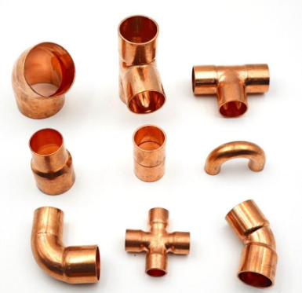
163 | Copper Coil | A Copper Coil is a continuous length of flexible copper tubing supplied in a coil/roll rather than straight lengths. It is commonly used for water, refrigeration, HVAC, heating, and heat-exchanger applications, Size: Outside Diameter, 6 mm, 8 mm, 10 mm, 12 mm, 15 mm, 22 mm, 28 mm, Common coil lengths: 15 m, 20 m, 25 m, 30 m, 50 m and longer, depending on diameter and manufacturer, Types: Soft Copper Coil, Refrigeration Copper Coil, Annealed Copper Coil, Insulated Copper Coil, Pancake Coil, Material: Copper, commonly C12200 / Cu-DHP for tubing applications, | 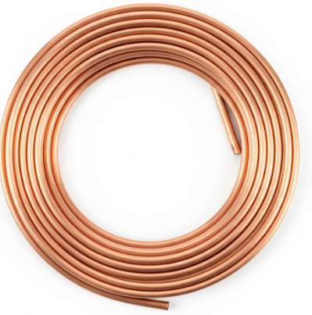
165 | Inspection Cap | An Inspection Cap is a removable cap fitted on a pipe, drain, or plumbing system to provide access for inspection, cleaning, and maintenance, It can be opened without dismantling the surrounding pipework, Material: PVC, UPVC, ABS, Cast Iron, Brass, Sizes: 40, 50, 75, 90, 110, 160 mm, Connection: Threaded, solvent-weld, push-fit, or socket, Type: Screw Cap, Threaded Cap, Cleanout Cap, Seal: Rubber O-ring or gasket,
166 | Copper Reducer | Copper Reducer — a copper pipe fitting used to connect two pipes of different diameters, allowing the pipe size to reduce from a larger diameter to a smaller one, Types: Reducing Coupling, Reducer, and Reducing Adapter, Sizes: ¾" × ½", 1" × ¾", 1¼" × 1", 1½" × 1¼", 2" × 1½" and larger,
170 | Pipe Cleaning Solvent | A Pipe Cleaning Solvent is a cleaning liquid used to remove dirt, grease, oil, dust, and contaminants from pipe and fitting surfaces before joining, solvent cementing, brazing, or other installation work, Sizes: 50 ml, 100 ml, 250 ml, 500 ml, 1 L, 4 L, Types: PVC Pipe Cleaner, CPVC Pipe Cleaner, ABS Pipe Cleaner, General-Purpose Pipe Degreaser,
171 | Drain Basket | Basket Strainer, Sink Strainer Basket, Drain Filter Basket, A Drain Basket (also called a Basket Strainer or Sink Strainer Basket) is a removable filter installed in a sink, floor drain, or waste outlet to catch food particles, hair, and debris while allowing water to flow freely. It helps prevent drain blockages and simplifies cleaning, Material : Stainless Steel (SS 304), Stainless Steel (SS 316), ABS Plastic, Silicone (flexible types), Diameter : 70 mm, 80 mm, 90 mm, 110 mm (depending on drain size), Type : Kitchen Sink Drain Basket, Sink Basket Strainer, Floor Drain Basket, Mesh Drain Basket, Pop-Up Drain Basket,
172 | Drain Grating | Drain Grate, Floor Grating, Trench Drain Grating, A Drain Grating is a removable protective grate installed over a drain, channel, or trench to allow water to flow into the drainage system while preventing debris, leaves, and large objects from entering. It also provides a safe walking or driving surface, Material : Stainless Steel (SS 304 / SS 316), Ductile Iron, Cast Iron, Galvanized Steel, FRP (Fiber Reinforced Plastic), HDPE / Composite, Shape : Square, Rectangular, Round, Size : 100 × 100 mm, 150 × 150 mm, 200 × 200 mm, 300 × 300 mm, Surface Type : Slotted, Mesh, Heel-Safe, Perforated, | 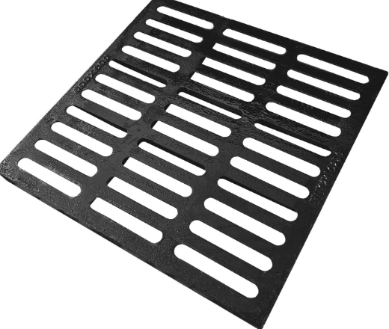
173 | Drain Plug | Sink Plug, Bath Plug, Drain Stopper, A Drain Plug is a device used to seal a drain opening in sinks, wash basins, bathtubs, floor drains, or other plumbing fixtures. It allows water to be retained when required and can be easily removed or operated to allow drainage, Material : Rubber, Silicone, Stainless Steel (SS 304), Brass (Chrome-Plated), ABS Plastic, Material : Size : 32 mm, 40 mm, 50 mm (and universal sizes), Operation : Manual, Pop-Up, Push-Button, Finish : Chrome, Stainless Steel, Black, White, Type : Rubber Drain Plug, Silicone Universal Drain Plug, Pop-Up Drain Plug, Push-Button Drain Plug, Chain-Type Bath Plug, | 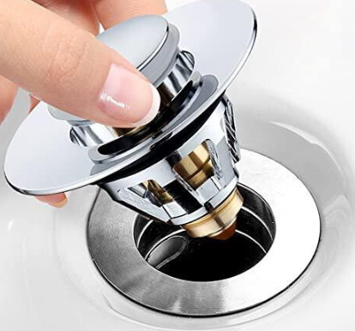
174 | Drain Valve | Drain Cock, Boiler Drain Valve, Tank Drain Valve, A Drain Valve is a manual or automatic valve used to drain water, condensate, or other liquids from tanks, pipelines, pressure vessels, filters, boilers, compressors, and other equipment. It enables controlled draining for maintenance, cleaning, winterization, or system shutdown, Material : Brass, Stainless Steel (SS 304 / SS 316), Carbon Steel, Cast Iron, PVC / CPVC (plastic systems), Type : Ball Drain Valve, Boiler Drain Valve, Tank Drain Valve, Automatic Drain Valve, Needle Drain Valve, Threaded Drain Valve, | 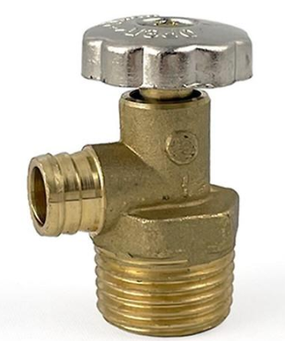
177 | Dual Flush Plate | A Dual Flush Plate is a wall-mounted actuator plate used with a concealed toilet cistern. It features two flush buttons—one for a partial flush and one for a full flush—helping conserve water while providing efficient flushing performance, Two-button flush operation (half and full flush), Modern decorative finish, ABS Plastic, Stainless Steel, Tempered Glass (premium models), Finish : Chrome, White, Black, Matte, Brushed Steel, Type : Rectangular Dual Flush Plate, Round Button Flush Plate, Mechanical Flush Plate, Pneumatic Flush Plate, Touchless (Sensor) Flush Plate, | 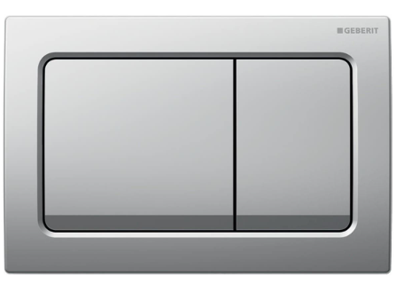
180 | Flush Bend | A Flush Bend is a plumbing/drainage fitting used to change the direction of a pipe while maintaining a smooth, compact connection. It is commonly used where a neat or space-saving bend is required, Sizes: 40 mm, 50 mm, 75 mm, 110 mm, Material: PVC, uPVC, CPVC, or cast iron, Angles: 45° and 90°,
181 | Expansion Joint | An Expansion Joint is a flexible piping component used to absorb thermal expansion, contraction, vibration, and pipe movement. It helps protect pipes, pumps, valves, and connected equipment from stress, Types: Flanged Rubber Expansion Joint, Metallic Bellows Expansion Joint, Flexible Expansion Joint, stainless-steel bellows, and flexible expansion joint, NSizes: 25 mm (1″), 32 mm (1¼″), 40 mm (1½″), 50 mm (2″), 65 mm (2½″), 80 mm (3″), 100 mm (4″), 150 mm (6″), 200 mm (8″), 250 mm (10″), 300 mm (12″),
183 | Male Coupler | A Male Coupler is a pipe fitting with external (male) threads, used to connect a female-threaded pipe, fitting, valve, or other component, Size - ½", ¾", 1", 1¼", 1½", 2" ,3", 4" and more, Materials: Brass, GI, SS, HDPE, PVC, CS, Copper, CPVC, Thread type: BSP / NPT, depending on the system,
188 | Hot Water Pipe Insulation | Hot Water Pipe Insulation is a protective insulating material fitted around hot-water pipes to reduce heat loss, maintain water temperature, prevent condensation, and improve energy efficiency, Types: EPDM Rubber Insulation, Nitrile Rubber (NBR) Insulation, PE Foam Insulation, Rockwool Insulation, Fiberglass Insulation, PUF/PU Insulation, Sizes - Thickness - ½", ¾", 1", 1½", 2", 3"–4", Applications: Geyser lines, hot-water supply systems, boilers, solar water heaters, commercial buildings, and industrial piping.
189 | Joint Compoud | Joint Compound is a sealing compound used to seal and protect joints between pipes, fittings, or threaded connections, helping prevent leakage, Types: Pipe Jointing Compound, Thread Joint Compound, Non-Hardening Joint Compound, PTFE Joint Compound, High-Temperature Joint Compound, Pack sizes: 50 g, 100 g, 250 g, 500 g, 1 kg,
190 | Joint Lubricant | Joint Lubricant is a lubricant applied to the jointing surfaces of pipes, sockets, and rubber seals to make pipe assembly easier and prevent damage to the gasket during installation, Types: PVC Pipe Joint Lubricant, Rubber Ring Joint Lubricant, Silicone-Based Joint Lubricant, Water-Based Pipe Lubricant, Non-Toxic Joint Lubricant, Applications: PVC, UPVC, HDPE, ductile iron, concrete and drainage pipe installation, Pack sizes: 100 g, 250 g, 500 g, 1 kg, 5 kg,
191 | Joint Packing | Joint Packing is a sealing material placed between pipe joints, flanges, or mechanical connections to prevent leakage of water, steam, air, or other fluids, Types: Rubber Joint Packing, Graphite Joint Packing, PTFE Joint Packing, Fibre Joint Packing, Cork Joint Packing, Flange Joint Packing, Forms: Sheet, ring, rope, strip, or pre-cut gasket, Applications: Pipe joints, flanges, valves, pumps, tanks, and industrial piping systems, Thickness: 1 mm, 1.5 mm, 2 mm, 3 mm, 5 mm and 6 mm,
192 | Kitchen Spray Head | A Kitchen Spray Head is a handheld or pull-out faucet component that provides a focused water spray for washing dishes, vegetables, and cleaning the sink, Types: Pull-Out Spray Head, Pull-Down Spray Head, Handheld Sink Spray Head, Dual-Mode Spray Head, Universal Replacement Spray Head, Materials: ABS, stainless steel, brass, chrome-plated metal, Common features: Spray/stream selection, swivel or rotating nozzle, easy-clean rubber jets, and hose connection, Standard Spray Head, Pull-Out Spray Head, ½" hose connection, Pull-Down Spray Head ½" hose connection,
193 | Leak Seal Tape | Leak Seal Tape is a self-sealing tape used to temporarily or permanently seal small leaks, cracks, and damaged sections of pipes, hoses, and fittings, Types: Self-fusing silicone tape, rubber repair tape, waterproof sealing tape, Common width: 25 mm, 50 mm,
195 | Pipe Identification Tape | Pipe Identification Tape is a self-adhesive or wrap-around marking tape used to identify the service, contents, flow direction, and safety classification of pipelines, Types: Color-Coded Pipe Identification Tape, Self-Adhesive Pipe Marking Tape, Flow Direction Arrow Tape, Water Pipe Identification Tape, Steam Pipe Identification Tape, Fire-Fighting Pipe Tape, Chemical Pipeline Identification Tape, Widths: 25 mm, 50 mm, 75 mm, 100 mm and custom widths,
196 | Pipe Insulation Tape | Pipe Insulation Tape is used to wrap, seal, protect, and insulate pipes, especially at joints and around thermal insulation, Sizes: Wide - 19 mm, 25–50 mm, 25–100 mm, Length - 10 m, 20 m, 30 m, 50 m, Type- PVC Insulation Tape, Aluminum Foil Tape, Foam Insulation Tape, Self-Fusing Silicone Tape, Fiberglass Insulation Tape,
197 | Pipe Leak Sealant | Pipe Leak Sealant is a sealing compound used to stop or prevent leaks at pipe joints, threaded connections, fittings, and small cracks, Type- PTFE Pipe Sealant, Thread Sealant Paste, Silicone Pipe Sealant, Epoxy Leak Sealant,Pipe Repair Sealant, Packing - 50–250 g, 50–500 g, 85–300 ml cartridge/tube, 100–500 g,
198 | Pipe Sleeve Spacer | Pipe Sleeve Spacer is a support component installed inside or around a pipe sleeve to keep the pipe centered, aligned, and separated from the sleeve. It is commonly used where pipes pass through concrete walls, floors, or foundations, Typical sizes: 25 mm, 32 mm, 40 mm, 50 mm, 65 mm, 80 mm, 100 mm, 150 mm, 200 mm, 250 mm, 300 mm, Types: Plastic/HDPE, rubber, steel, and adjustable sleeve spacers, Size selection: Based on pipe OD + sleeve ID + required clearance,
199 | Pipe Spacer | A Pipe Spacer is used to maintain a fixed gap between pipes, supports, or a pipe and surrounding structure. It helps with alignment, separation, vibration control, and protection, Types: PVC, Rubber, Steel, SS, Sleeve Spacer, Insulation Spacer, Sizes: ½", ¾", 1", 1¼", 1½", 2", 2½", 3", 4" to 24" pipe diameter, Materials: PVC, HDPE, Rubber, GI/MS, SS304/SS316, 15–110 mm, 20–200 mm, , 25–600 mm, ,25–300 mm, 25–600 mm, 25–300 mm,
200 | Pipe Wrapping Tape | Pipe Wrapping Tape is used to protect pipes from corrosion, moisture, abrasion, and environmental damage, especially for underground and outdoor piping, Type- PVC Pipe Wrapping Tape, Anti-Corrosion Tape, Petrolatum Tape, Self-Fusing Tape, PE/Polyethylene Wrapping Tape, Size - 50–100 mm × 10–20 m, 50–150 mm × 10–30 m, 25–50 mm × 3–10 m,
202 | Plumber Grease | Plumber Grease is a waterproof lubricant used by plumbers to lubricate and protect O-rings, rubber seals, cartridges, valves, taps, and pipe connections, Types: Silicone Grease, PTFE Grease, Rubber-Compatible Plumbing Grease, Sizes: 50 g, 100 g, 200 g, 500 g,
203 | PTFE Cord | PTFE Cord is a flexible polytetrafluoroethylene sealing cord used to seal threaded pipe and fitting joints and prevent leakage, Types: PTFE thread cord, PTFE sealing cord, high-density PTFE cord, Sizes: 2 mm, 3 mm, 4 mm, 5 mm, Packing: 10 m, 15 m, 20 m, 50 m rolls, Use: Water, air, gas, chemical and industrial piping, Material: 100% PTFE
204 | PTFE Tape | PTFE Tape (Teflon Tape) is a thread-sealing tape used on threaded pipe and fitting connections to prevent water, air, and gas leakage,Types: Standard, high-density, gas-rated, industrial, Width: 12 mm, 19 mm, 25 mm, Length: 5 m, 10 m, 15 m, 20 m, Thickness: Approx. 0.075–0.2 mm, Material: PTFE (Polytetrafluoroethylene), Use: Plumbing, water lines, valves, taps, pumps, and threaded fittings,
205 | Bearing | A Bearing is a mechanical component that supports and guides a rotating or moving shaft while reducing friction, Types: Ball Bearing, Roller Bearing, Needle Bearing, Thrust Bearing, Tapered Roller Bearing, Sleeve / Bush Bearing, Pillow Block Bearing, Materials: Chrome steel, stainless steel, carbon steel, bronze, and polymer materials, Bearing Sizes X Bearing No. Bore X Typical Use - 6201-12 mm-Small Pumps/Motors, 6202-15 mm-Motors/Pumps, 6203-17 mm-Pumps/Motors, 6204-20 mm-Pumps/Motors, 6205-25 mm-Pumps/Machinery, 6206-30 mm-Industrial Equipment, | 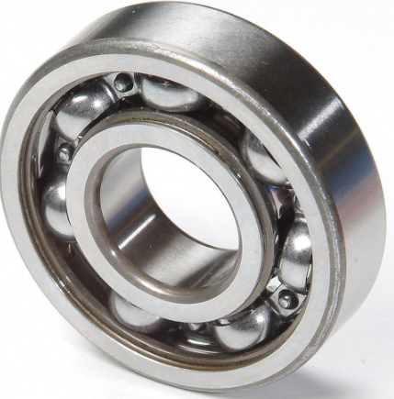
206 | Capacitor | A Capacitor is an electrical component that stores and releases electrical energy. In pumps and motors, it is commonly used to provide the starting or running phase shift required for efficient motor operation, Types: Motor Run Capacitor, Motor Start Capacitor, Dual Capacitor, Electrolytic Capacitor, Fan Capacitor, Ratings: Capacitance: 2 µF to 100 µF+, Voltage: 250V, 370V, 440V, 450V AC,
207 | Pump Cooling Fan | A Pump Cooling Fan is a fan fitted to certain pump or motor assemblies to circulate air and dissipate heat, helping prevent overheating during continuous operation, Types: Motor Cooling Fan, External Cooling Fan, Axial Cooling Fan, Plastic Cooling Fan, Metal Cooling Fan, Materials: Plastic, aluminium, and reinforced nylon, Sizes - 80 mm, 90 mm, 100 mm, 112 mm, 132 mm, 160 mm, 180 mm, 200 mm, Size is normally specified by motor frame size, fan outer diameter, shaft/bore diameter, and blade design,
208 | Pump Mechanical Seal | A Pump Mechanical Seal is a sealing component used around the pump shaft to prevent water or fluid from leaking between the rotating shaft and the stationary pump housing, Types: Single Mechanical Seal, Double Mechanical Seal, Cartridge Mechanical Seal, Component Mechanical Seal, Rubber Bellows Seal, Metal Bellows Seal, Sizes: 12, 16, 18, 20, 22, 25, 28, 30, 35, 40, 45, 50 mm shaft diameter, Common materials: Carbon, ceramic, silicon carbide, tungsten carbide, stainless steel, EPDM, and NBR,
209 | Pump Priming Funnel | A Pump Priming Funnel is used to pour water or priming fluid into a pump casing during initial pump priming, helping remove air and prepare the pump for operation, Types: Standard funnel, screw-on funnel, threaded priming funnel, flexible-neck funnel, Sizes: ½", ¾", 1", 1¼", 1½", 2" connections, Material: Plastic, PP, HDPE, brass, stainless steel,
211 | Robe Hook | A Robe Hook is a bathroom accessory used for hanging robes, towels, clothes, or other lightweight items, Types: Single Robe Hook, Double Robe Hook, Wall-Mounted Hook,Adhesive Robe Hook,Heavy-Duty Hook, Concealed-fixing, Size: 40–60 mm, 40–70 mm, 40–100 mm, 50–80 mm, 60–100 mm, Material: SS304/SS316, brass, zinc alloy, ABS, Finish: Chrome, polished SS, brushed SS, matte black,
212 | Rubber Packing Cord | A Rubber Packing Cord is a flexible rubber sealing cord used to create leak-resistant seals between pipe joints, flanges, covers, doors, and mechanical components, Types: Round cord, square cord, rectangular cord, O-ring cord, Sizes: 2, 3, 4, 5, 6, 8, 10, 12, 15, 20 mm, Materials: EPDM, NBR, Neoprene, Silicone, Viton/FKM, Forms: Roll, coil, cut length,
213 | Rubber Packing Sheet | A Rubber Packing Sheet is a flexible rubber sheet cut into gaskets or packing pieces to provide a leak-proof seal between flanges, pipe joints, valves, pumps, and equipment, Types: EPDM, NBR, Neoprene, Silicone, Natural Rubber, FKM/Viton, Thickness: 1 mm, 1.5 mm, 2 mm, 3 mm, 5 mm, 6 mm, 10 mm, Sheet Size: 1 m × 2 m, 1.2 m × 2 m, Material: Rubber compounds as required for water, oil, chemicals, or temperature,
216 | Wall Shower Arm | A Wall Shower Arm is a plumbing fitting that connects an overhead shower head to the water supply pipe inside the wall. It extends outward from the wall and positions the shower head at the required height, Shower Arm, Wall-Mounted Shower Arm, Shower Head Arm, Common materials: Brass, stainless steel, or chrome-plated brass, Sizes: 15 mm (½") and 20 mm (¾") connections, Types: Straight, curved, square, round, and ceiling-style,
220 | Silicon Grease | Silicone Grease is a waterproof, non-corrosive lubricant used for O-rings, seals, valves, taps, faucets, and plumbing fittings, Sizes: 10 g, 15 g, 30 g, 50 g, 100 g, 200 g, 500 g, 1 kg,
221 | Silicon Lubricant | Silicone Lubricant is a lubricant used to reduce friction and protect rubber, plastic, O-rings, seals, valves, pipes, and plumbing components, Sizes/types: 100 ml, 200 ml, 250 ml, 400 ml, 500 ml, 1 L, Grease/tube or aerosol spray,
222 | Soap Dish | Soap Dish is a bathroom accessory used to hold and store bar soap near a wash basin or shower area, Types: Wall Mounted Soap Dish, Stainless Steel Soap Dish, Ceramic Soap Dish, Glass Soap Dish, Plastic Soap Dish, Corner Soap Dish, Common sizes: Approximately 100–150 mm width × 80–120 mm depth,
223 | Sprinkle | A Sprinkler is a device used to distribute water in a controlled spray pattern for irrigation, firefighting, or landscaping, Types: Garden Sprinkler, Lawn Sprinkler, Pop-Up Sprinkler, Rotary Sprinkler, Impact Sprinkler, Fire Sprinkler, Sizes: ½", ¾", and 1" connections, depending on the application,
224 | Thread Cutting Oil | Thread Cutting Oil is a lubricating oil used during pipe and metal thread cutting. It reduces friction and heat, helps produce clean threads, and extends the life of threading dies and cutting tools, Types: General-Purpose Thread Cutting Oil, Heavy-Duty Threading Oil, Water-Soluble Cutting Oil, Synthetic Thread Cutting Oil, Applications: Pipe threading machines, hand threading dies, taps, dies, and metal pipe fabrication, Pack Sizes: 250 ml, 500 ml, 1 L, 5 L, 20 L,
225 | Thread Seal Paste | Thread Seal Paste is a sealing compound applied to threaded pipe and fitting connections to prevent leakage of water, air, steam, or other fluids. It is commonly used with threaded joints together with PTFE tape or thread seal cord, Types: PTFE Thread Seal Paste, Pipe Jointing Compound, Anaerobic Thread Sealant, Non-Hardening Thread Seal Paste, High-Temperature Thread Sealant, Applications: Water pipes, valves, taps, threaded fittings, compressed-air lines, and industrial piping, Pack Sizes: 50 g, 100 g, 250 g, 500 g, 1 kg,
231 | Cistern Repair Kit | A Cistern Repair Kit is a set of replacement parts used to repair or restore a toilet cistern when components such as the inlet valve, flush valve, seals, or buttons become faulty, Toilet Cistern Repair Kit / Flush Tank Repair Kit / WC Cistern Repair Kit, Typical parts: Inlet/fill valve, flush valve, washers, seals, O-rings, fixing nuts, and push-button components, Types: Universal repair kit, dual-flush kit, and single-flush kit, Materials: Plastic, rubber, brass, stainless steel, depending on the component,
232 | Welding Blanket | Welding Fire Blanket / Welding Safety Blanket / Welding Heat Blanket, A Welding Blanket is a heat-resistant protective cover used during welding, cutting, and grinding to protect nearby surfaces, equipment, and personnel from sparks, molten metal, and heat, Material: Fiberglass, silica, ceramic fiber, or other heat-resistant fabric, Sizes: 1 m × 1 m, 1.5 m × 2 m, 2 m × 2 m, Features: Heat resistant, flame resistant, flexible, and reusable depending on material, | 